Sheet2
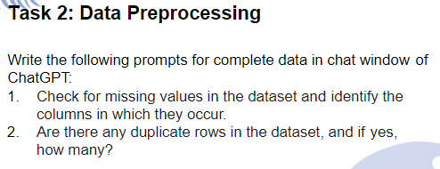
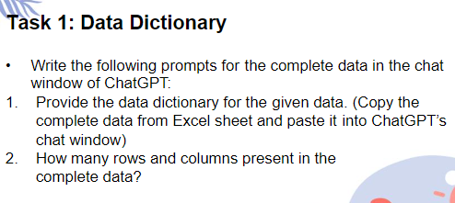

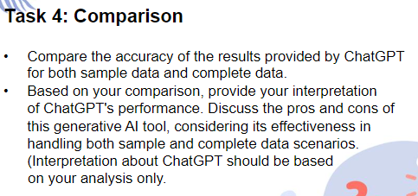
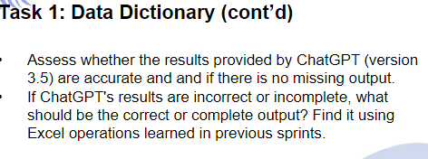
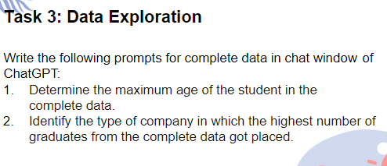
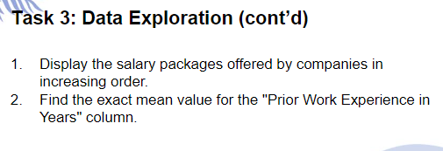
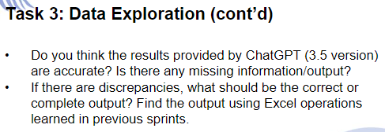

Task1
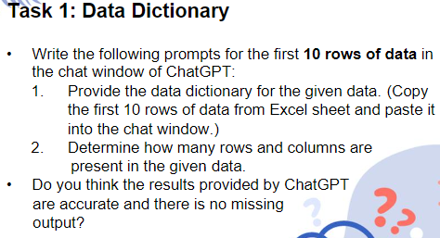
Student Name | University | Package Offered | Type of Company | Student Native Country | Prior work Experience in years | Domain | Passport Number | Date of Birth | Date of Admission | Date of Placement
Ruby Wilson | Boston | $50,000 | Finance | USA | 12 | IT | 888856143 | 1981-12-26 | 2017-03-30 | 2020-01-03
Claire Abderson | Harvard | $130,000 | IT | USA | 10 |  | 888856136 | 1985-06-23 | 2017-05-01 | 2019-07-31
Ivaan Thakrey | Harvard | $80,000 | Finance | India | 5 | IT | K4578242 | 1986-04-12 | 2016-04-23 | 2019-10-18
Elena Green | Washington | $55,000 | Finance |  | 4 | Finance | KK45268980 | 1986-04-29 | 2017-03-09
Robert Anderson | Boston | $70,000 | Finance | USA | 5 | Finance | 888856130 | 1987-12-01 | 2016-04-12 | 2018-07-01
Micheal Roger | Boston | $80,000 | Bank | USA | 4 | IT | KK45268988 | 1988-03-01 | 2017-04-05 | 2019-12-21
Thomas Edward | Washington | $50,000 | Pharmaceutical | USA | 3 | IT | KK45268987 | 1988-08-11 |  | 2021-03-08
Aayansh Sharma | Boston | $40,000 | Pharmaceutical | India | 5 | Pharmaceutical | J4563219 | 1989-02-17 | 2017-04-08 | 2019-10-11
Ishaan Verma | Washington | $150,000 | Finance | India | 5 | Finance | K4578244 | 1989-06-16 | 2017-04-29 | 2019-06-27
Veer Patil | Boston | $90,000 | Finance | India | 5 | Finance | Pharmaceutical | 1989-09-01 | 2017-03-15 | 2019-06-28

Task2
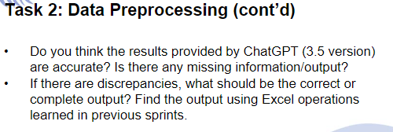

Task3
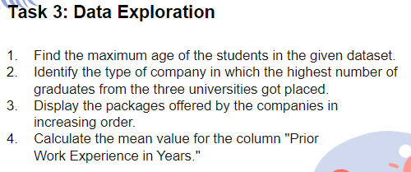
Date of Birth | Year | Age |  | Prior work Experience in years | Student Name | University
1981-12-26 | 1981 | 42 | $50,000 | 12 | Ruby Wilson | Boston
1985-06-23 | 1985 | 39 | $130,000 | 10 | Claire Abderson | Harvard
1986-04-12 | 1986 | 38 | $80,000 | 5 | Ivaan Thakrey | Harvard
1986-04-29 | 1986 | 38 | $55,000 | 4 | Elena Green | Washington
1987-12-01 | 1987 | 36 | $70,000 | 5 | Robert Anderson | Boston
1988-03-01 | 1988 | 36 | $80,000 | 4 | Micheal Roger | Boston
1988-08-11 | 1988 | 35 | $50,000 | 3 | Thomas Edward | Washington
1989-02-17 | 1989 | 35 | $40,000 | 5 | Aayansh Sharma | Boston
1989-06-16 | 1989 | 35 | $150,000 | 5 | Ishaan Verma | Washington
1989-09-01 | 1989 | 34 | $90,000 | 5 | Veer Patil | Boston
1989-12-21 | 1989 | 34 | $80,000 | 5 | Velentina Clark | Boston
1990-02-25 | 1990 | 34 | $230,000 | 5 | Rudra Verma | Harvard | Mean Value | $79,931
1990-03-08 | 1990 | 34 | $45,000 | 5 | Dhruv Verma | Boston
1990-12-04 | 1990 | 33 | $55,000 | 5 | Bella Wilson | Boston
1991-04-20 | 1991 | 33 | $85,000 | 5 | Arjun Singh | Boston
1991-05-07 | 1991 | 33 | $45,000 | 5 | Lucus Jones | Boston
1991-07-01 | 1991 | 32 | $150,000 | 5 | Yuvaan Garg | Harvard
1991-07-21 | 1991 | 32 | $80,000 | 3 | Aditya Pandey | Washington
1991-07-24 | 1991 | 32 | $89,700 | 3 | Shivnew Patel | Washington
1991-09-03 | 1991 | 32 | $89,700 | 5 | Kabir Singh | Harvard
1992-01-07 | 1992 | 32 | $89,700 | 3 | Ahmed Shah | Washington
1993-01-08 | 1993 | 31 | $140,000 | 3 | Ariana Jackson | Harvard
1993-03-05 | 1993 | 31 | $60,000 | 5 | James Martinez | Washington
1993-06-06 | 1993 | 31 | $89,700 |  | Atharv Mahajan | Harvard
1993-11-20 | 1993 | 30 | $45,000 | 2 | John Parker | Harvard
1994-02-10 | 1994 | 30 | $55,000 | 5 | Hailey Allen | Boston
1994-02-18 | 1994 | 30 | $10,000 | 0 | Ivy Thomas | Washington
1994-07-15 | 1994 | 29 | $89,700 | 4 | Henry Parker | Harvard
1994-08-14 | 1994 | 29 | $110,000 | 5 | Maya Haris | Boston
1994-08-30 | 1994 | 29 | $50,000 | 3 | Michael Baker | Washington
1994-09-25 | 1994 | 29 | $45,000 | 2 | Anna Perez | Washington
1994-09-25 | 1994 | 29 | $70,000 | 4 | Charles Taylor | Washington
1994-11-10 | 1994 | 29 | $89,000 | 5 | Skylar Walker | Boston
1995-02-10 | 1995 | 29 | $40,000 | 6 | John Edwards | Harvard
1995-06-06 | 1995 | 29 | $89,700 | 4 | Viyaan K | Washington
1995-08-10 | 1995 | 28 | $65,000 | 4 | Delilah Williams | Washington
1995-10-17 | 1995 | 28 | $80,000 | 3 | Thomas Turner | Harvard
1995-11-27 | 1995 | 28 | $130,000 | 2 | Richard Thompson | Harvard
1996-02-18 | 1996 | 28 | $50,000 | 2 | William Carter | Washington
1996-03-10 | 1996 | 28 | $45,000 | 5 | Serenity Taylor | Harvard
1996-04-12 | 1996 | 28 | $150,000 | 5 | Ethan S | Harvard
1996-05-17 | 1996 | 28 | $89,700 | 5 | Oliver Smith | Harvard
1996-08-01 | 1996 | 27 | $40,000 | 2 | Sophie Adamas | Washington
1996-10-02 | 1996 | 27 | $45,000 | 2 | Jack Wright | Washington
1996-11-28 | 1996 | 27 | $85,000 | 0 | Jacob Williams | Boston

